Sheet1
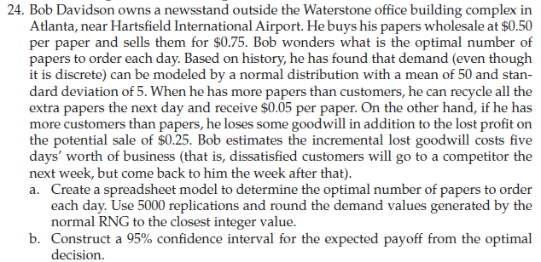
buying price | 0.5
selling price | 0.75

Paper to order
Demand | 0 | mean | 50 | std. deviation | 5
Excess paper | 0
short paper | 0
Recycle gain | 0 | Recycle price | 0.05
good will loss | 0

profit | 0

